Task
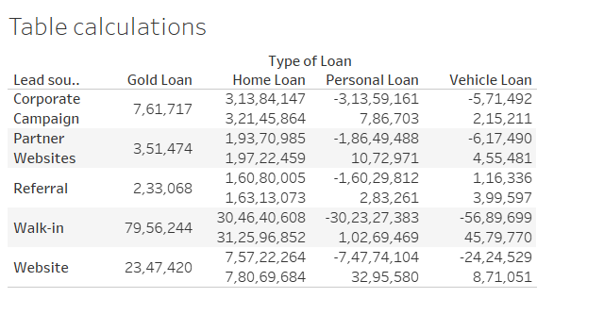
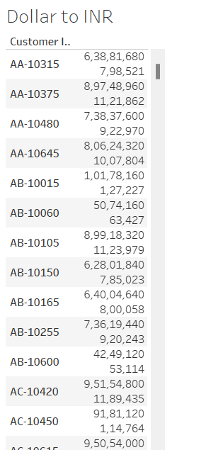
Fusion Finance has another task for you. Your Tasks: Convert Currency: Change the loan amount from INR to dollars, using the conversion rate of 1 dollar = 80 INR. Create a Text Table: Display the following fields in a text table: - Type of Loan - Lead Source - Loan Amount (in dollars) Add Table Calculation: Include a calculation in the text table that shows: The difference in loan amounts The actual loan amounts

Your Output should be :

